Gabby's farm example
This tab contains example inputs for the 'PbR score' and 'Banding & payment for PbR' tabs for Gabby's farm, a fictional farm - see NBS map below.

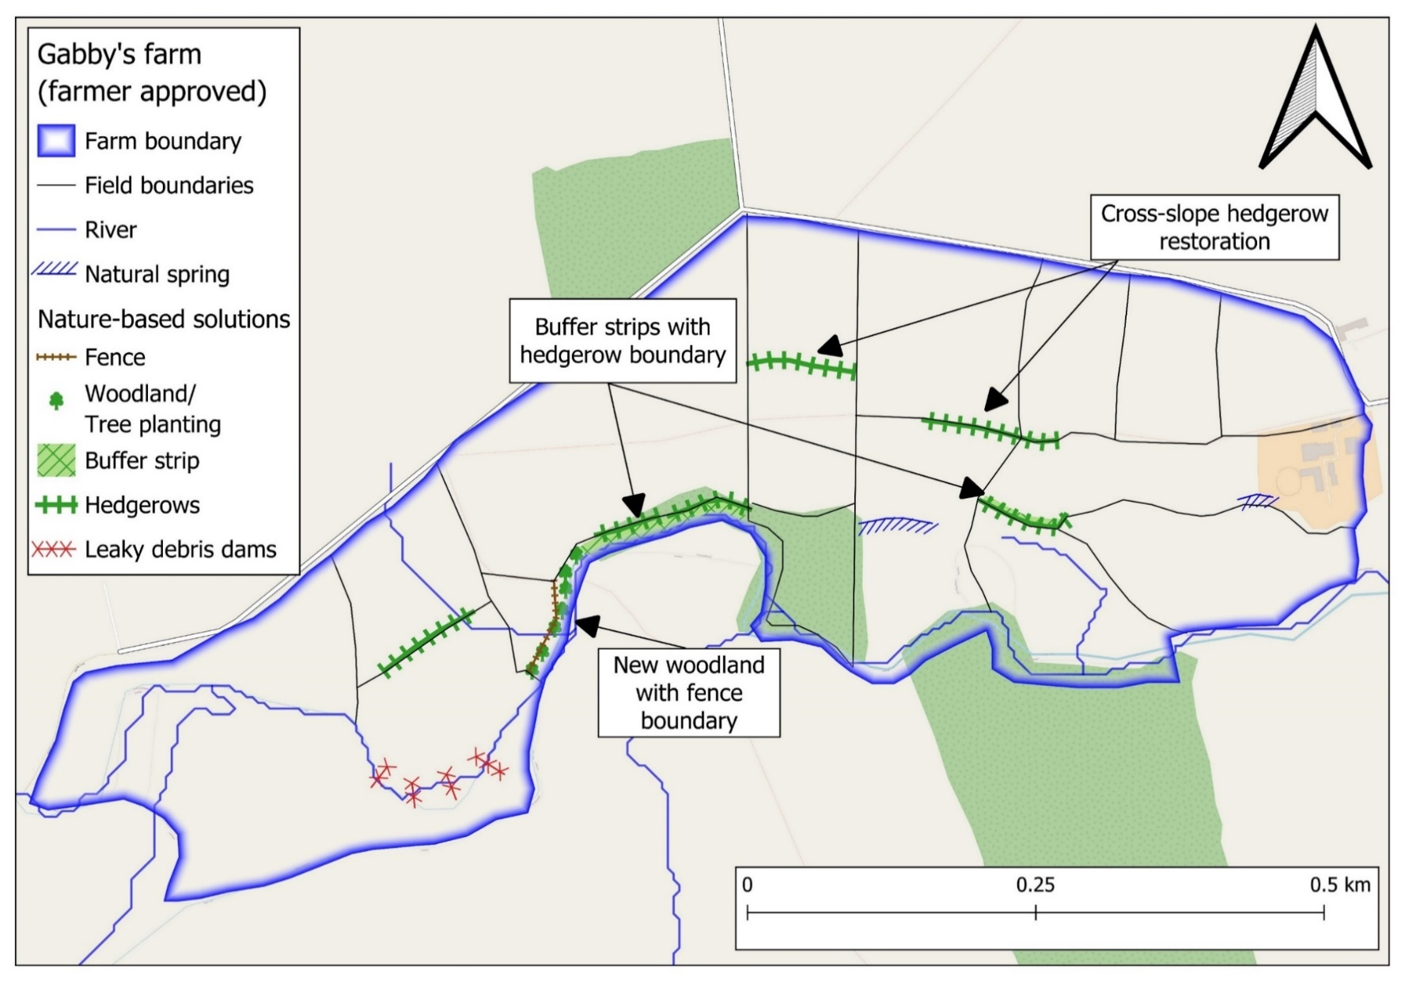
 |  |  |  | Gabby’s farm NBS | Extent | Extent Units
 |  |  |  | Leaky dams | 4 | Number of interventions
 |  |  |  | Hedgerows | 511 | Metres length
 |  |  |  | Woodland | 0.11 | Hectares
 |  |  |  | Buffer strip | 6 | Metres wide

Year ONE
Short or long-term benefit return? | NBS interventions | Extent | Extent unit | Modifier for the number of - or extent of - interventions | Installation cost | Maintainence cost | Potential for loss of income | Flood benefit | Ecological benefit | Sediment benefit |  | Total
 |  |  |  |  |  |  |  | Priority modifier
 |  |  |  |  |  |  |  | 1.5 | 1.2 | 0.8
Short-term | Leaky dam | 4 | Number of interventions | 2 | 1 | 1 | 3 | 4 | 2.5 | 2 |  | 31.2
Long-term | Hedgerow planting | 511 | Metres length | 1 | 2 | 2.5 | 3 | 4 | 4 | 3.5 |  | 21.1
Long-term | Tree planting / woodland creation | 0.11 | Hectares | 1 | 2 | 1.5 | 3 | 4 | 4.5 | 3.5 |  | 20.7
Short-term | Buffer strip | 6 | Metres wide | 2 | 1 | 1 | 2.5 | 4 | 3.5 | 4 |  | 35.8

 |  |  |  |  |  |  |  |  |  |  | PbR score | 108.8

YEAR TWO | Notes: In Year 2, Gabby maintains the NBS features on her farm, and reduces grazing pressure across 40% of her farm.
Short or long-term benefit return? | NBS interventions | Extent | Extent unit | Modifier for the number of - or extent of - interventions | Installation cost | Maintainence cost | Potential for loss of income | Flood benefit | Ecological benefit | Sediment benefit |  | Total
 |  |  |  |  |  |  |  | Priority modifier
 |  |  |  |  |  |  |  | 1.5 | 1.2 | 0.8
Short-term | Leaky dam | 4 | Number of interventions | 2 |  | 1 | 3 | 4 | 2.5 | 2 |  | 29.2
Long-term | Hedgerow planting | 511 | Metres length | 1 |  | 2.5 | 3 | 4 | 4 | 3.5 |  | 19.1
Long-term | Tree planting / woodland creation | 0.11 | Hectares | 1 |  | 1.5 | 3 | 4 | 4.5 | 3.5 |  | 18.7
Short-term | Buffer strip | 6 | Metres wide | 2 |  | 1 | 2.5 | 4 | 3.5 | 4 |  | 33.8
Long-term | Regenerative agriculture | 40 | Percentage of farm | 2 | 1 | 1 | 1.5 | 4 | 4.5 | 5 |  | 37.8

 |  |  |  |  |  |  |  |  |  |  | PbR score | 138.6

YEAR THREE | Notes: In Year 3, the leaky dams failed and were not restored. On site visits, grazing was found to consitently occur within the buffer strips. All other NBS were maintained.
Short or long-term benefit return? | NBS interventions | Extent | Extent unit | Modifier for the number of - or extent of - interventions | Installation cost | Maintainence cost | Potential for loss of income | Flood benefit | Ecological benefit | Sediment benefit |  | Total
 |  |  |  |  |  |  |  | Priority modifier
 |  |  |  |  |  |  |  | 1.5 | 1.2 | 0.8
Short-term | Leaky dam | 4 | Number of interventions | 0 |  | 1 | 3 | 4 | 2.5 | 2 |  | 0
Long-term | Hedgerow planting | 511 | Metres length | 1 |  | 2.5 | 3 | 4 | 4 | 3.5 |  | 19.1
Long-term | Tree planting / woodland creation | 0.11 | Hectares | 1 |  | 1.5 | 3 | 4 | 4.5 | 3.5 |  | 18.7
Short-term | Buffer strip | 6 | Metres wide | 0 |  | 1 | 2.5 | 4 | 3.5 | 4 |  | 0
Long-term | Regenerative agriculture | 40 | Percentage of farm | 2 |  | 1 | 1.5 | 4 | 4.5 | 5 |  | 35.8

 |  |  |  |  |  |  |  |  |  |  | PbR score | 73.6

Year 1 (Initial Assessment) |  |  | Year 2 (Annual maintainence & benefit assessment) |  |  |  | Year 3 (Annual maintainence & benefit assessment)
PbR score | PbR band | Payment | PbR score | PbR band | Payment | Notes | PbR score | PbR band | Payment | Notes
108.8 | 2 | ££ | 138.6 | 3 | £££ | All NFM maintained + Reduced grazing added | 73.6 | 1 | £ | Leaky woody debris dams failed & not restored. Grazing consistently within buffer strips

